Narrowband Reg Cal
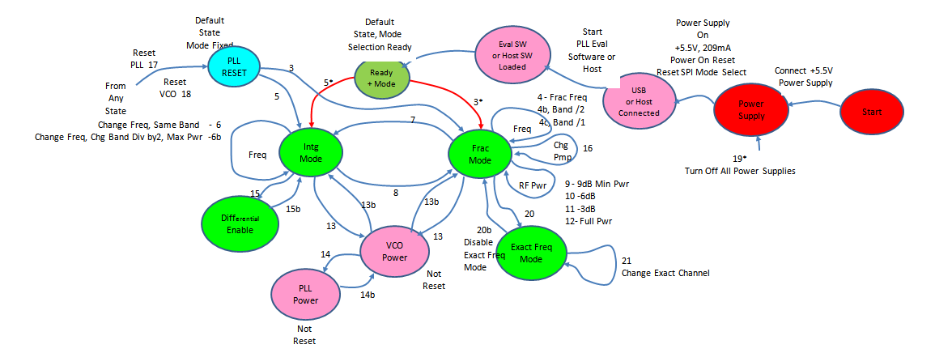
Half Fixed Data |  | Exact Freq Mode, Special Application
Input data |  |  |  |  |  |  |  |  |  |  |  |  |  |  |  |  |  |  |  |  | For Software Engineer Programming
In-Process data |  |  |  |  |  |  |  |  |  |  |  |  |  |  |  |  |  |  | Initialization Process |  |  |  | Frequency_Change( ) use below steps
Change Freq Process |  |  |  |  |  |  |  |  |  |  |  |  |  |  |  |  |  |  | Step 3/5 Once |  |  |  | Step1 (6b-1) |  |  | Step2 (6b-2) | Step3 (6b-3) | Step3 (6b-3) |  | Exact Freq Mode
 | Reg ID | Fout Setting | Just for Exact Freq Mode | 09H (0-2.54mA) Step=20uA | 02H |  |  |  |  | Mode |  |  | 09H (0-635uA) Step=5uA | 06H (17:16) | 06H (200B4AH) | 07H | 07H | 07H | 02H (1H) | 06H (200B4AH) | 09H (default: 403264H) or fixed 501E3CH for 50M Ref | 07H (Default: 14DH) Manually calculate | VCO_Reg 01H via 05H reg | VCO_Reg 02H via 05H reg | VCO_Reg 03H via 05H reg | reg 05H Write 5 to run auto-cal | Write Reg 03H | Write Reg 04H | Mode# | Exact Mode |  | Exact - Channel Mode
HMC PART# | Ref (MHz) | Fo (MHz) | Channel (KHz) | CP (mA) | R Div | PFD (MHz) | F_vco_min (MHz) | F_vco_center (MHz) | F_vco_max (MHz) | K | Fvco (MHz) | N_dec | CP_leakage (uA) | PFD Vs. 50MHz | SD CFG | LD_Window (nS) | [0:6] | [7:11] | R Divider | SD CFG | CP & Offfset | 07H (LD Window) | VReg01 | VReg02 | Vreg03 | Auto Cal | Reg 03H | Reg 04H |  | 0CH | 04H | 0CH_CH | 04H_CH(n+1) | Fgcd_CH | Channel | Fgcd | Fvco | PFD
HMC821LP6CE | 12.8 | 1880 | 100 | 2.54 | 1 | 12.8 | 1720 | 1900 | 2080 | 1 | 1880 | 146.875 | 149.73 | 0 | 202F4Ah | 21.21 | 4d | 11 | 1 | #NAME? | #NAME? | #NAME? | E80Dh | AB95h | D11Dh | 05h | #NAME? | #NAME? | Fund | #NAME? | #NAME? | 80h | #NAME? | 100000 | 100000 | #NAME? | 1880000000 | 12800000
HMC821LP6CE | 12.8 | 1844.5 | 100 | 1.2 | 1 | 12.8 | 1720 | 1900 | 2080 | 1 | 1844.5 | 144.1015625 | 70.74 | 0 | 202F4Ah | 21.21 | 4d | 11 | 1 | #NAME? | #NAME? | #NAME? | E80Dh | AB95h | D11Dh | 05h | #NAME? | #NAME? | Fund | #NAME? | #NAME? | 80h | #NAME? | 100000 | 100000 | #NAME? | 1844500000 | 12800000
HMC821LP6CE | 122.88 | 1098.6 | 100 | 1.2 | 2 | 61.44 | 1720 | 1900 | 2080 | 0.5 | 2197.2 | 35.76171875 | 339.54 | 3 | 202F4Ah | 9.68 | 4d | 17 | 2 | #NAME? | #NAME? | #NAME? | F80Dh | AB95h | D11Dh | 05h | #NAME? | #NAME? | Div | #NAME? | #NAME? | C00h | #NAME? | 20000 | 100000 | #NAME? | 2197200000 | 61440000
HMC821LP6CE | 50 | 2000 | 100 | 1.5 | 1 | 50 | 1720 | 1900 | 2080 | 1 | 2000 | 40 | 337.50 | 0 | 202F4Ah | 10.61 | 4d | 25 | 1 | #NAME? | #NAME? | #NAME? | F80Dh | AB95h | D11Dh | 05h | #NAME? | #NAME? | Fund | #NAME? | #NAME? | 1F4h | #NAME? | 100000 | 100000 | #NAME? | 2000000000 | 50000000

ModeAnalysis
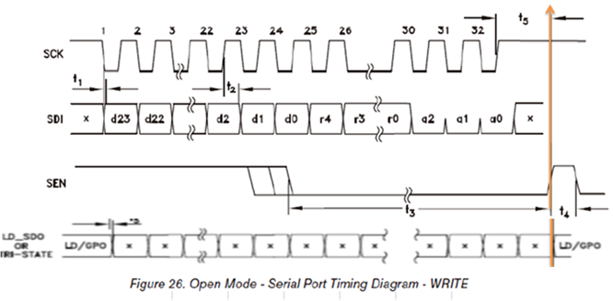
 | Clock | 1 | 2 | 3 | 4 | 5 | 6 | 7 | 8 | 9 | 10 | 11 | 12 | 13 | 14 | 15 | 16 | 17 | 18 | 19 | 20 | 21 | 22 | 23 | 24 | 25 | 26 | 27 | 28 | 29 | 30 | 31 | 32
Open Mode | Data | d23 | d22 | d21 | d20 | d19 | d18 | d17 | d16 | d15 | d14 | d13 | d12 | d11 | d10 | d9 | d8 | d7 | d6 | d5 | d4 | d3 | d2 | d1 | d0 | r4 | r3 | r2 | r1 | r0 | a2 | a1 | a0
Open Mode | SEN
HMC Mode | Data | /WR | a5 | a4 | a3 | a2 | a1 | a0 | d23 | d22 | d21 | d20 | d19 | d18 | d17 | d16 | d15 | d14 | d13 | d12 | d11 | d10 | d9 | d8 | d7 | d6 | d5 | d4 | d3 | d2 | d1 | d0 | x
HMC Mode | SEN

 |  |  |  |  |  |  |  |  |  |  |  |  |  |  |  |  |  |  |  |  |  |  |  |  |  |  |  |  |  |  |  |  |  | HMC Mode equivalent
Open Mov Fh, @81h |  | 0 | 0 | 0 | 0 | 0 | 0 | 0 | 0 | 0 | 0 | 0 | 0 | 0 | 0 | 0 | 0 | 1 | 0 | 0 | 0 | 0 | 0 | 0 | 1 | 0 | 1 | 1 | 1 | 1 | 1 | 0 | 1 | Mov 0,
Open Mov 1h, @1h |  | 0 | 0 | 0 | 0 | 0 | 0 | 0 | 0 | 0 | 0 | 0 | 0 | 0 | 0 | 0 | 0 | 0 | 0 | 0 | 0 | 0 | 0 | 0 | 0 | 0 | 0 | 0 | 0 | 1 | 1 | 0 | 1
Open Mov 1h, @1h |  | 0 | 0 | 0 | 0 | 0 | 0 | 0 | 0 | 0 | 0 | 0 | 0 | 0 | 0 | 0 | 0 | 0 | 0 | 0 | 0 | 0 | 0 | 0 | 1 | 0 | 0 | 0 | 0 | 1 | 1 | 0 | 1

